Budget-Collaborative Impact
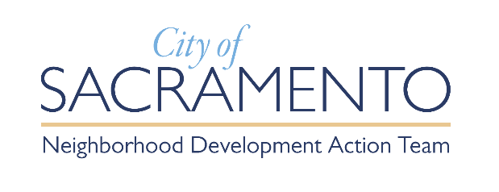 |  | Budget Form - Commercial Corridor Collaborative Impact Grant
a. | Organization Legal Name: | Name of the Organization
b. | Requested Grant Period From: (MM/DD/YYYY) | (MM/DD/YYYY) |  | Through | (MM/DD/YYYY)
C. | Total Requested Funds: | $0.00

 | Funding Sources | Partner NAME | Partner NAME | Partner NAME | Total | Notes
 | Forward Together Amount Requested | $0.00 | $0.00 | $0.00 | $0.00
 | Other Sources
 | Foundation (secured) | $0.00 | $0.00 | $0.00 | $0.00
 | Operating Funds (secured) | $0.00 | $0.00 | $0.00 | $0.00
 | Grant (unsecured) | $0.00 | $0.00 | $0.00 | $0.00
 | Total Funding Sources | $0.00 | $0.00 | $0.00 | $0.00

S/N | Proposed Activity Costs | Partner NAME | Partner NAME | Partner NAME | Total Requested Funds | Notes
1 | Salaries and Benefits | $0.00 | $0.00 | $0.00 | $0.00
2 | Supplies | $0.00 | $0.00 | $0.00 | $0.00
3 | Non-Professional Services | $0.00 | $0.00 | $0.00 | $0.00
4 | Professional Services | $0.00 | $0.00 | $0.00 | $0.00
6 | Events | $0.00 | $0.00 | $0.00 | $0.00
7 | Equipment/Fixed Assets | $0.00 | $0.00 | $0.00 | $0.00
8 | Evaluation | $0.00 | $0.00 | $0.00 | $0.00
9 | Other Direct Cost | $0.00 | $0.00 | $0.00 | $0.00
10 | Indirect Cost | $0.00 | $0.00 | $0.00 | $0.00
11 |  |  |  |  | $0.00
12 |  |  |  |  | $0.00
Total |  | $0.00 | $0.00 | $0.00 | $0.00

All costs of any program must be reasonable. No applicant shall claim any indirect cost recovery in excess of 10% of the direct program costs (unless the grantee has negotiated a higher indirect cost rate with the federal government). Do not include anything in the grey highlighted cells.

